1) Same SKU diff rate
Case | Order Date | Order Time | cus Batch | customer_pk | H Order | sku_id | sku_name_chi | total_price | MD_ratio | MD_sku_rebate
1 | 2025-07-14 | 18:14:32 | Jul Batch 1 | 9300197376004 | H250714066846 | H1688001_S_10111848 | 日本淮山 | 50 | 5.00 | 2.50
1 | 2025-07-14 | 18:19:50 | Jul Batch 1 | 9300197376004 | H250714068043 | H1688001_S_10111848 | 日本淮山 | 70 | 0.10 | 3.49
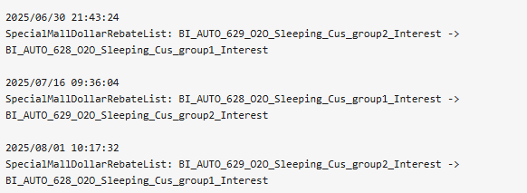
 |  |  |  |  |  |  | 短時間update cus group? Enjoy左唔同ratio

